Figure 6
Contents
Figure 6 - Correlation matrix, NUTS 3, 2018
Data
Source: Statistics Portugal, Regional development composite index

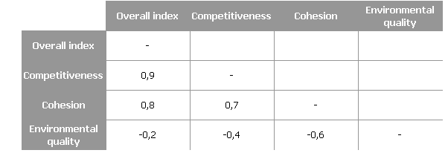

For further information see:
Regional development composite index (Overall index) by Geographic localization (NUTS - 2013); Annual
Regional development composite index (Competitiveness) by Geographic localization (NUTS - 2013); Annual
Regional development composite index (Cohesion) by Geographic localization (NUTS - 2013); Annual
Regional development composite index (Environmental quality) by Geographic localization (NUTS - 2013); Annual

Figure 8
Contents
Figure 8 - Overall index of regional development, competitiveness, cohesion and environmental quality: performance in relation to the national average (Portugal = 100), NUTS 3, 2018
Data
Source: Statistics Portugal, Regional development composite index

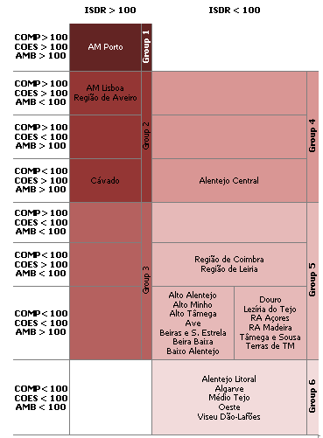

For further information see:
Regional development composite index (Overall index) by Geographic localization (NUTS - 2013); Annual
Regional development composite index (Competitiveness) by Geographic localization (NUTS - 2013); Annual
Regional development composite index (Cohesion) by Geographic localization (NUTS - 2013); Annual
Regional development composite index (Environmental quality) by Geographic localization (NUTS - 2013); Annual

